# of Articles
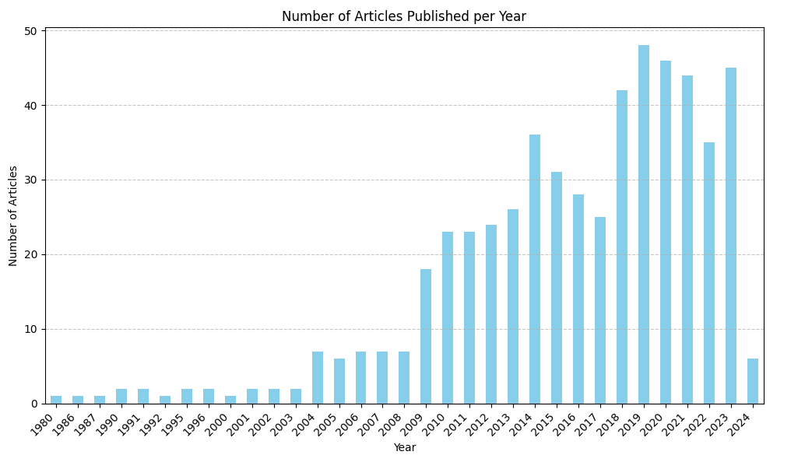
Published Year | # of Articles
2019 | 48
2020 | 46
2023 | 45
2021 | 44
2018 | 42
2014 | 36
2022 | 35
2015 | 31
2016 | 28
2013 | 26
2017 | 25
2012 | 24
2011 | 23
2010 | 23
2009 | 18
2004 | 7
2008 | 7
2007 | 7
2006 | 7
2005 | 6
2024 | 6
2003 | 2
1995 | 2
2001 | 2
2002 | 2
1991 | 2
1996 | 2
1990 | 2
1992 | 1
1986 | 1
1987 | 1
1980 | 1
2000 | 1

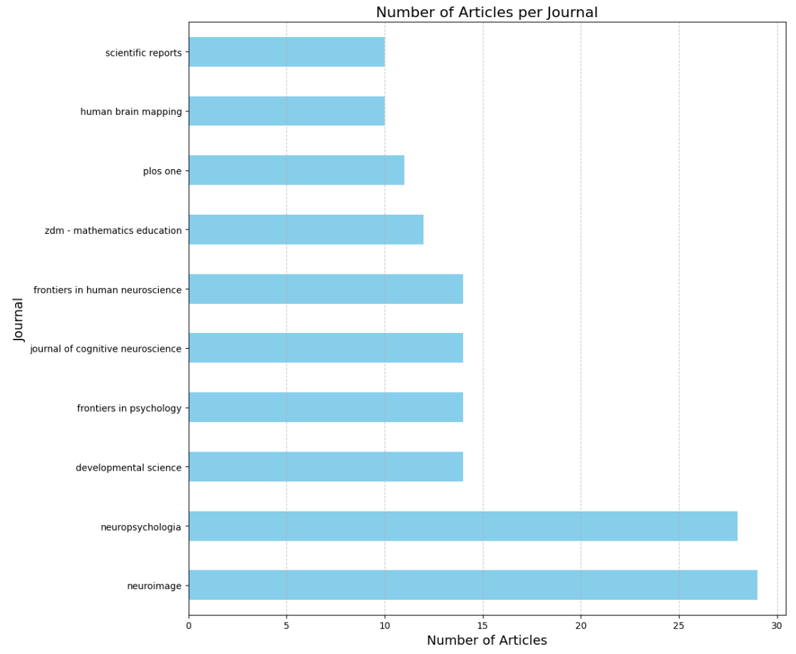
Journal | # of Articles
neuroimage | 29
neuropsychologia | 28
developmental science | 14
frontiers in psychology | 14
journal of cognitive neuroscience | 14
frontiers in human neuroscience | 14
zdm - mathematics education | 12
plos one | 11
human brain mapping | 10
scientific reports | 10

 | Author | Count
302 | Vinod | 21
127 | Wang | 12
135 | Zhang | 11

Author keywords
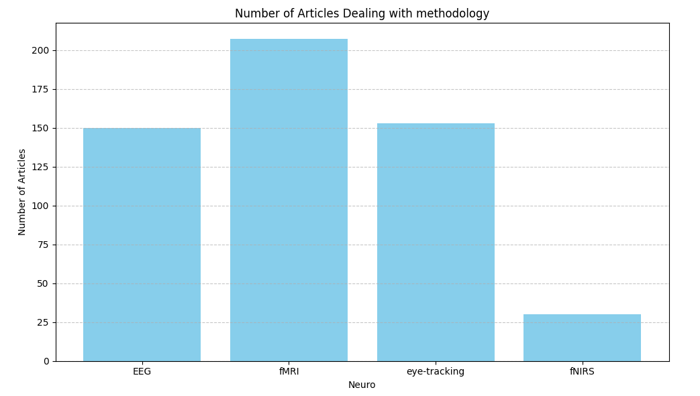
EEG | 150
fMRI / MRI | 207
eye-tracking | 153
fNIRS | 30

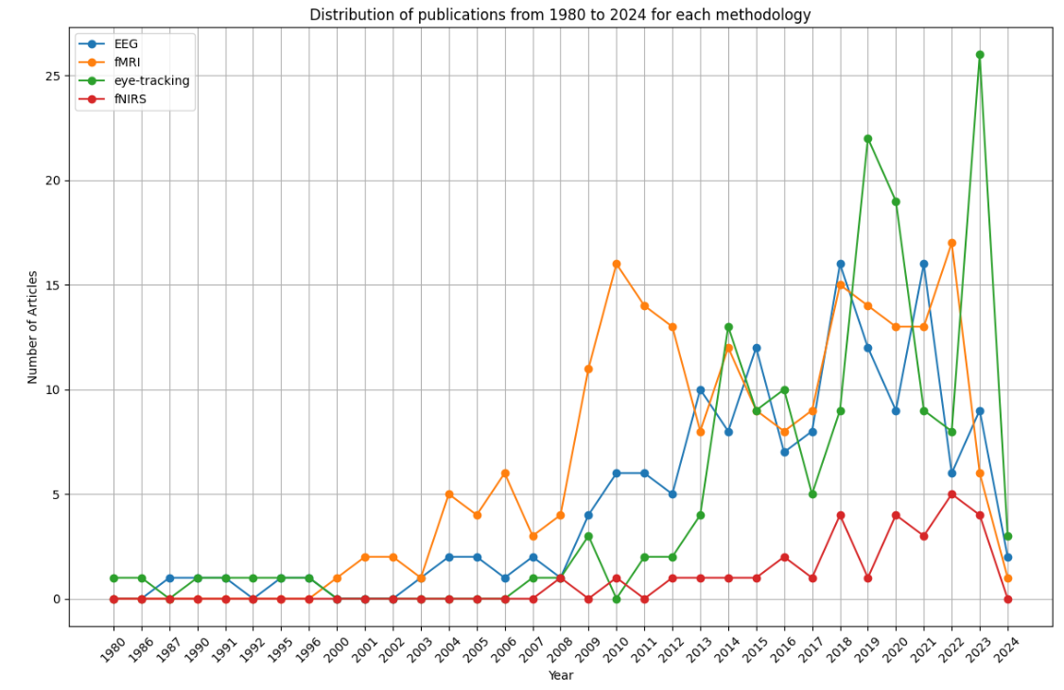
Number of Articles per Search Term and Year:
Year | EEG | fMRI | eye-tracking | fNIRS
1980 | 0 | 0 | 1 | 0
1986 | 0 | 0 | 1 | 0
1987 | 1 | 0 | 0 | 0
1990 | 1 | 0 | 1 | 0
1991 | 1 | 0 | 1 | 0
1992 | 0 | 0 | 1 | 0
1995 | 1 | 0 | 1 | 0
1996 | 1 | 0 | 1 | 0
2000 | 0 | 1 | 0 | 0
2001 | 0 | 2 | 0 | 0
2002 | 0 | 2 | 0 | 0
2003 | 1 | 1 | 0 | 0
2004 | 2 | 5 | 0 | 0
2005 | 2 | 4 | 0 | 0
2006 | 1 | 6 | 0 | 0
2007 | 2 | 3 | 1 | 0
2008 | 1 | 4 | 1 | 1
2009 | 4 | 11 | 3 | 0
2010 | 6 | 16 | 0 | 1
2011 | 6 | 14 | 2 | 0
2012 | 5 | 13 | 2 | 1
2013 | 10 | 8 | 4 | 1
2014 | 8 | 12 | 13 | 1
2015 | 12 | 9 | 9 | 1
2016 | 7 | 8 | 10 | 2
2017 | 8 | 9 | 5 | 1
2018 | 16 | 15 | 9 | 4
2019 | 12 | 14 | 22 | 1
2020 | 9 | 13 | 19 | 4
2021 | 16 | 13 | 9 | 3
2022 | 6 | 17 | 8 | 5
2023 | 9 | 6 | 26 | 4
2024 | 2 | 1 | 3 | 0

